Sheet1
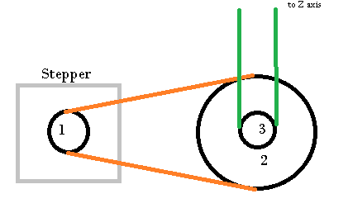
stepper motor steps | Pitch | Pully teeth | distance | mm per step | 8 micro stepps | 16 micro stepps | 32 micro steps
200 | 2 | 16 | 32 | 0.16 | 0.02 | 0.01 | 0.005
200 | 2 | 20 | 40 | 0.2 | 0.025 | 0.0125 | 0.00625
200 | 1.5 | 26 | 39 | 0.195 | 0.024375 | 0.0121875 | 0.00609375 | AB
200 | 1.5 | 24 | 36 | 0.18 | 0.0225 | 0.01125 | 0.005625
 |  |  | Pully 3 Tooth
 |  |  | 20
Pully 1 | Pully 2 | ratio | mm per step | 2 micro stepps | 4 micro stepps | 8 micro stepps | 16 micro stepps | 32 micro steps
20 | 80 | 0.25 | 0.05 | 0.025 | 0.0125 | 0.00625 | 0.003125 | 0.0015625
16 | 80 | 0.2 | 0.04 | 0.02 | 0.01 | 0.005 | 0.0025 | 0.00125 | Z

